TEMPLATE
Benchmarking LL84 |  |  |  |  |  |  |  |  |  |  |  |  |  |  |  |  |  |  |  |  |  |  |  |  |  |  |  |  |  |  |  |  |  |  |  |  |  |  |  |  |  |  | LL97 | LL97/Parallel table from MOS |  | LL97 | LL97/Parallel table from MOS |  | LL97 | LL97/Parallel table from MOS |  |  |  |  |  |  |  |  |  |  |  |  |  |  |  |  |  | Using LL84/List of All Property Use Types at Property? | TBD | LL84 | DOF/Furman Center | DOF/Furman Center | DOF/Furman Center | LL84 | HDFC coops | Furman Center |  | RECORDATION_NOTICE_RECIPIENTS (21,728) |  |  |  |  |  |  |  |  |  |  |  |  |  |  | DOF |  |  |  |  |  |  |  | DOF
https://data.cityofnewyork.us/Environment/Energy-and-Water-Data-Disclosure-for-Local-Law-84-/28fi-3us3 |  |  |  |  |  |  |  |  |  |  |  |  |  |  |  |  |  |  |  |  |  |  |  |  |  |  |  |  |  |  |  |  |  |  |  |  |  |  |  |  |  |  | LL97 |  |  | LL97 |  |  | LL97 |  |  |  |  |  |  |  |  |  |  |  | The amount of greenhouse gas emissions attributable to natural gas powered fuel cells shall be credited compared to a marginal emissions factor that will be determined by the commissioner and promulgated into rules of the department. |  |  |  |  |  |  | 1. An industrial facility primarily used for the generation of electric power or steam. 2. Real property, not more than three stories, consisting of a series of attached, detached or semi-detached dwellings, for which ownership and the responsibility for maintenance of the HVAC systems and hot water heating systems is held by each individual dwelling unit owner, and with no HVAC system or hot water heating system in the series serving more than [two dwelling units] 25,000 gross square feet (2322.5 m2 ), as certified by a registered design professional to the department. 3. A city building. 4. A housing development or building on land owned by the New York city housing authority. 5. A rent regulated accommodation. 6. [The real estate owned by any religious corporation located in the city of New York as now constituted, actually dedicated and used by such corporation exclusively as a place of public worship] A building whose main use or dominant occupancy is classified as occupancy group A-3 religious house of worship. 7. Real property owned by a housing development fund company organized pursuant to the business corporation law and article eleven of the private housing finance law. 8. A building that participates in a project-based federal housing program |  |  |  |  |  |  |  |  |  | https://www1.nyc.gov/site/finance/taxes/acris.page |  |  |  |  |  |  |  |  |  |  |  |  |  |  | After concatenation ACRIS_OPEN_LIENS_PARTIES (111,967) |  |  |  |  |  |  |  | After concatenation ACRIS_OPEN_LIENS_PARTIES (111,967)
Local law 84: This law requires building owners to measure their energy and water consumption. In April of 2019, it was updated to include buildings over 25,000 square feet, lowering the building size from the previously established 50,000 square foot threshold and requiring benchmarking for midsize buildings. This law also relates to Local law 33, established in 2018, that requires buildings subject to benchmarking to obtain and disclose energy efficiency scores and grades consistent with federal energy efficiency standards. These scores are created based on the information given in the Energy Star Portfolio Manager that is used to record annual benchmarking. |  |  |  |  |  |  |  |  |  |  |  |  |  |  |  |  |  |  |  |  |  |  |  |  |  |  |  |  |  |  |  |  |  |  |  |  |  |  |  |  |  |  | LL97 table | TBD |  | LL97 table | TBD |  | LL97 table | TBD |  | Self calculated | Self calculated |  |  |  |  |  |  |  |  |  |  | Self calculated | Self calculated | Self calculated | Self calculated |  |  |  | If is contained in the "List of All Property Use Types at Property" From the building Info LL84 | This would have to come from a DOF list, but would determine whether the building has to comply with prescriptive measures under LL97 by 2024 or GHG targets | This would have to come from a DOF list, but would determine whether the building has to comply with prescriptive measures under LL97 by 2024 or GHG targets |  |  |  | If all the flags are "NO" so this column is "NO", if at least one flag is "YES", so this column is "YES" | The Automated City Register Information System (ACRIS) allows you to search property records and view document images for Manhattan, Queens, Bronx, and Brooklyn from 1966 to the present. |  |  |  |  |  |  |  |  |  |  |  |  |  |  | Mortgage 1 |  |  |  |  |  |  |  | Mortgage 2
BUILDING INFO |  |  |  |  |  |  |  |  |  |  |  |  |  |  |  |  |  |  |  |  |  |  |  |  |  |  |  | ENERGY SOURCE |  |  |  |  |  |  |  |  | EMISSIONS |  |  | SCORE |  |  | PENALTY CALCULATION |  |  |  |  |  |  |  |  |  |  |  |  |  |  |  |  |  |  |  |  |  |  |  |  | TAG | TAG | TAG | TAG | TAG | TAG | TAG | TAG | TAG | TAG | NOT INCLUDE? | NOT INCLUDE? | BUILDING TYPE | NOT INCLUDE? | NOT INCLUDE? | NOT INCLUDE? | NOT INCLUDE? | 2nd lever of ownership | NOT INCLUDE? | NOT INCLUDE? | NOT INCLUDE? | NOT INCLUDE? | NOT INCLUDE? | NOT INCLUDE? | NOT INCLUDE?
Property Name | Parent Property Name | BBL - 10 digits | NYC Building Identification Number (BIN) | City Building (YES/NO) | Email | Address 1 (self-reported) | Borough | Postal Code | DOF Gross Floor Area (ft²) | Self-Reported Gross Floor Area (ft²) | Primary Property Type - Self Selected | List of All Property Use Types at Property | Largest Property Use Type | Largest Property Use Type - Gross Floor Area (ft²) | 2nd Largest Property Use Type | 2nd Largest Property Use - Gross Floor Area (ft²) | 3rd Largest Property Use Type | 3rd Largest Property Use Type - Gross Floor Area (ft²) | Year Built | Number of Buildings | Occupancy | Latitude | Longitude | Community Board | Council District | Census Tract | NTA | Fuel Oil #1 Use (kBtu) | Fuel Oil #2 Use (kBtu) | Fuel Oil #4 Use (kBtu) | Fuel Oil #5 & 6 Use (kBtu) | Diesel #2 Use (kBtu) | Propane Use (kBtu) | District Steam Use (kBtu) | Natural Gas Use (kBtu) | Electricity Use - Grid Purchase (kWh) | Total GHG Emissions (Metric Tons CO2e) | Direct GHG Emissions (Metric Tons CO2e) | Indirect GHG Emissions (Metric Tons CO2e) | ENERGY STAR Score | Building Grade according LL33 | Site EUI (kBtu/ft²) | Occupancy group (1) | Carbon limit per sqft 2024/2029 (KgCO2e/sqft) (1) | Carbon limit per sqft 2030/2034 (KgCO2e/sqft) (1) | Occupancy group (2) | Carbon limit per sqft 2024/2029 (KgCO2e/sqft) (2) | Carbon limit per sqft 2030/2034 (KgCO2e/sqft) (2) | Occupancy group (3) | Carbon limit per sqft 2024/2029 (KgCO2e/sqft) (3) | Carbon limit per sqft 2030/2034 (KgCO2e/sqft) (3) | Carbon limit 2024/2029 (Metric Tons CO2e) | Carbon limit 2030/2034 (Metric Tons CO2e) | Fuel Oil #1 Use (kBtu)*Coefficient | Fuel Oil #2 Use (kBtu)*Coefficient | Fuel Oil #4 Use (kBtu)*Coefficient | Fuel Oil #5 & 6 Use (kBtu)*Coefficient | Diesel #2 Use (kBtu)*Coefficient | Propane Use (kBtu)*Coefficient | District Steam Use (kBtu)*Coefficient | Natural Gas Use (kBtu)*Coefficient | Electricity Use - Grid Purchase (kWh)*Coefficient | Total emissions according LL97 | Emissions Exceeded 2024/2029 | Emissions Exceeded 2030/2034 | Penalty 2024/2029 | Penalty 2030/2034 | 1. An industrial facility primarily used for the generation of electric power or steam. (YES/NO) | 2. Real property, not more than three stories, consisting of a series of attached, detached or semi-detached dwellings, for which ownership and the responsibility for maintenance of the HVAC systems and hot water heating systems is held by each individual dwelling unit owner, and with no HVAC system or hot water heating system in the series serving more than [two dwelling units] 25,000 gross square feet (2322.5 m2 ), as certified by a registered design professional to the department. (YES/NO) | 3. A city building. | 4. A housing development or building on land owned by the New York city housing authority. | 5. A rent regulated accommodation. | More than 35% rent stabilized apartment (YES/NO) | 6. [The real estate owned by any religious corporation located in the city of New York as now constituted, actually dedicated and used by such corporation exclusively as a place of public worship] A building whose main use or dominant occupancy is classified as occupancy group A-3 religious house of worship. | 7. Real property owned by a housing development fund company organized pursuant to the business corporation law and article eleven of the private housing finance law. (YES/NO) | 8. A building that participates in a project-based federal housing program. (YES/NO) | Exempt to Comply with penalties (YES/NO) | SRC | EASEMENT | BUILDING_CLASS | OWNER_1 | OWNER_2 | RECIPIENT_1 | RECIPIENT_2 | NAME_ATTENTION | MAILING_STREET_NO | MAILING_STREET_1 | MAILING_STREET_2 | MAILING_CITY | MAILING_STATE | MAILING_ZIP | MAILING_COUNTRY | (1, 'document_id') | (1, 'doc_type') | (1, 'document_amt') | (1, 'recorded_datetime') | (1, 'party_type') | (1, 'name') | (1, 'address_1') | (1, 'zip') | (2, 'document_id') | (2, 'doc_type') | (2, 'document_amt') | (2, 'recorded_datetime') | (2, 'party_type') | (2, 'name') | (2, 'address_1') | (2, 'zip')
169-65 137th Avenue - Rochdale Village |  | 4124950002 | 4436334, 4436356, 4436357, 4454070, 4436340, 4448681, 4436332, 4841296, 4436341, 4436335, 4436339, 4436346, 4829402, 4436354, 4436333, 4436337, 4436343, 4436336, 4436353, 4436338, 4436342, 4436344, 4436345, 4436347, 4436349, 4436350, 4436351, 4436352, 4594694 | No | tmorrisson@en-powergroup.com | 169-65 137th Avenue | Queens | 11434 | 6940450 | 7842590 | Multifamily Housing | Multifamily Housing, Retail Store, Social/Meeting Hall | Multifamily Housing | 7420000 | Retail Store | 297100 | Social/Meeting Hall | 125490 | 1962 | 28 | 100 | 40.672622 | -73.770641 | 412 | 28 | 33402 | Springfield Gardens North | Not Available | 32139374 | Not Available | Not Available | 2281002 | Not Available | Not Available | 1310168149 | Not Available | 72143.6 |  |  | Not Available |  | 171.4 | R-2 (Multifamily) | 6.75 | 4.07 | M (Mercantile) | 11.81 | 4.30 | A (Assembly) | 10.74 | 4.20 | 54,941.51 | 32,003.99 |  | 2,385.06 | 0.00 |  |  |  | 0.00 | 69,583.03 | 0.00 | 71,968.09 | 39,964.11 | 40,139.61 | 10,710,380.23 | 10,757,416.02 | NO |  | NO | NO | NO - facility would have been rent stabilized until it opted out of Mitchell-Lama (sometime in the late 90s). According to wikipedia it is 100% owner occupied | NO - facility would have been rent stabilized until it opted out of Mitchell-Lama (sometime in the late 90s). According to wikipedia it is 100% owner occupied | NO | NO (It was not found in the file shared be Aaron sent by Emily Ng / Director of Member Services, UHAB) | TBD |  | SINGLE |  | D4 | ROCHDALE VILLAGE INC |  | ROCHDALE VILLAGE INC |  |  | 163-15 BAISLEY BOULEVARD |  | JAMAICA | New York City | NY | 11434
250 Bedford Park Blvd |  | 2032970043 | 2016944 | No | dan@carletonec.com | 250 Bedford Park Blvd | Bronx | 10458 | Not found | 63430 | Multifamily Housing | Multifamily Housing | Multifamily Housing | 63430 |  |  |  |  | 1937 | 1 | 100 | 40.870949 | -73.886452 | 207 | 11 | 40702 | Bedford Park-Fordham North |  | 2862258.2 |  |  |  |  |  | 165634145.9 | 206451.5 | 9072.5 |  |  | 1 |  | 2667.5 | R-2 | 6.75 | 4.07 |  |  |  |  |  |  | 428.15 | 258.16 |  | 212.41 | 0.00 |  |  |  | 0.00 | 8,796.83 | 59.66 | 9,068.89 | 8,640.74 | -31,067.11 | 2,315,718.80 | 0.00 |  |  |  |  |  |  |  |  |  |  | SINGLE |  | D1 | NYSANDY4 NBP18 LLC |  | NYSANDY4 NBP18 LLC |  |  |  | 1075 GERARD AVE. |  | BRONX | NY | 10452-8846
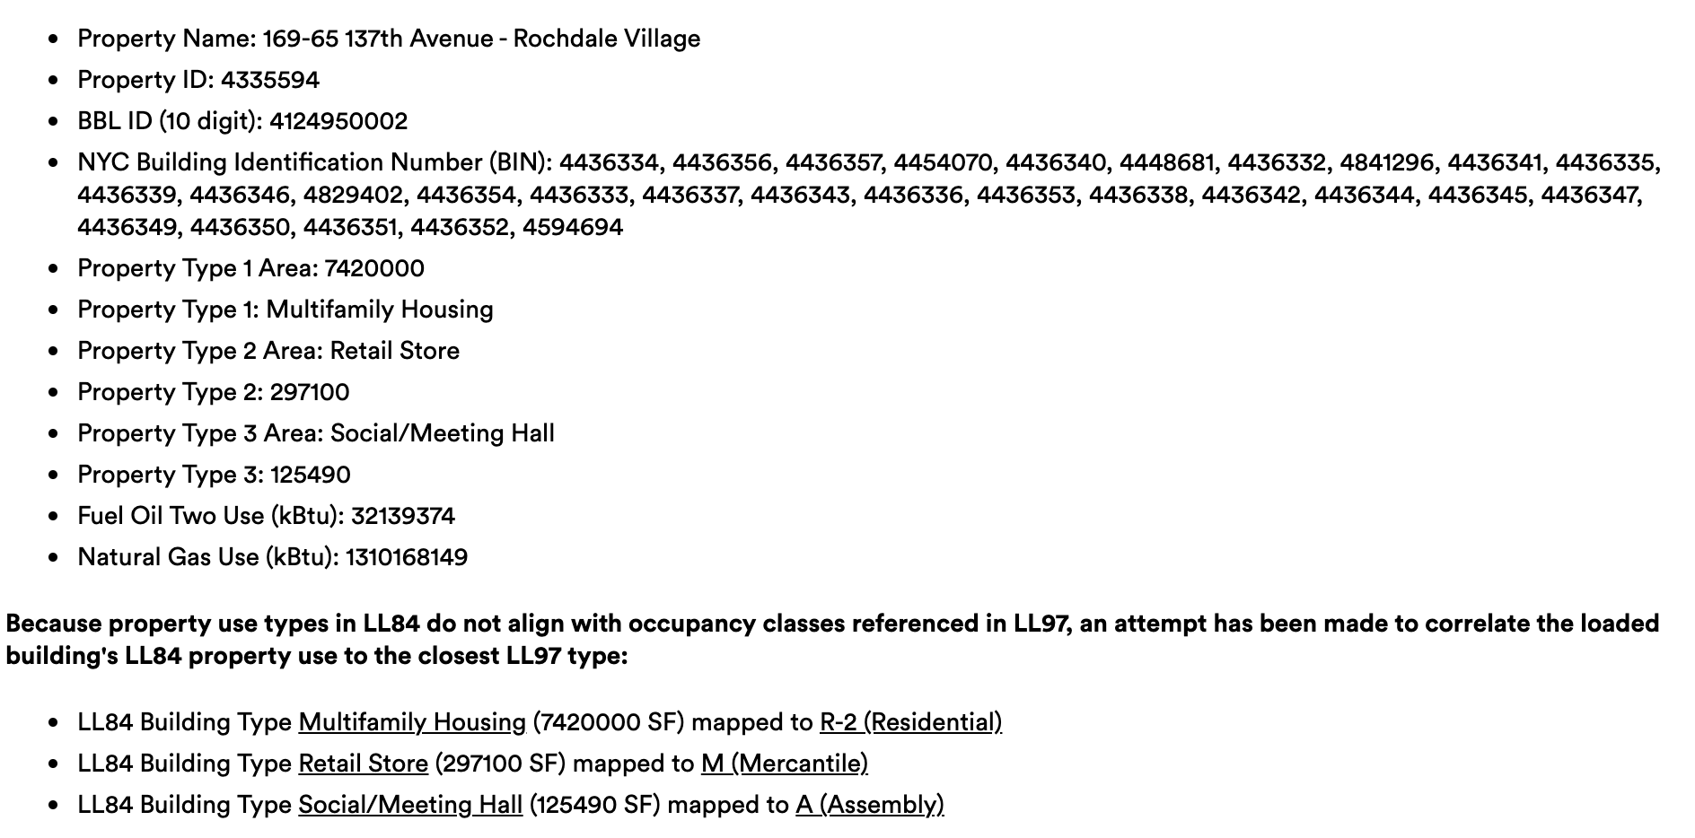
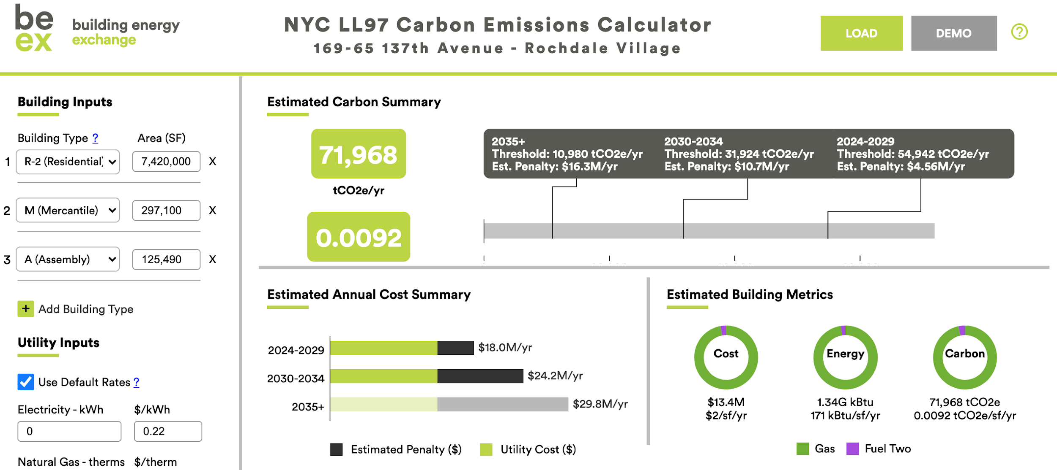
 | Relevant information |  | Link of the source |  |  |  |  |  |  |  |  |  |  |  |  |  |  |  |  |  |  |  |  |  |  |  |  |  |  |  |  |  |  |  |  |  |  |  |  |  |  |  |  |  |  |  |  |  |  |  |  |  |  |  |  |  |  |  |  |  |  |  | 72,143.60
 | Second degree information |  | Description of the source |  |  |  |  |  |  |  |  |  |  |  |  |  |  |  |  |  |  |  |  |  |  |  |  |  | Fuel Oil #2 Use (Gallons) |  |  |  |  |  | Natural Gas Use (Therms)
 | Connection values between tables |  |  |  |  |  |  |  |  |  |  |  |  |  |  |  |  |  |  |  |  |  |  |  |  |  |  |  | 230224.74212 |  |  |  |  |  | 13101681.5
 | Data obtained from internal process
 | New Data 2019 version

Property Name | BBL - 10 digits |  |  |  |  | Building Type | Occupancy Group | Carbon limit per sqft 2024/2029 (KgCO2e/sqft) | Carbon limit per sqft 2030/2034 (KgCO2e/sqft)
Manhattan Place Condominium | 1009687501 |  |  |  |  | F4 | R-2 | 6.75 | 4.07
 |  |  |  |  |  | DOF Gross Floor Area (ft²) | Self-Reported Gross Floor Area (ft²) | Carbon limit 2024/2029 (Metric Tons CO2e) | Carbon limit 2030/2034 (Metric Tons CO2e)
 |  |  |  |  |  | 550,141 | 457,946 | 3,713 | 2,239
 |  |  |  |  |  |  | Total GHG Emissions (Metric Tons CO2e) | Emissions Exceeded 2024/2029 | Emissions Exceeded 2030/2034
 |  |  |  |  |  |  | 2634.3 | -1,079 | 395
 |  |  |  |  |  |  |  | Penalty 2024/2029 | Penalty 2030/2034
 |  |  |  |  |  |  |  | $- | $105,920.60

 | Fuel Oil #1 Use (kBtu) |  |  | Fuel Oil #2 Use (kBtu) |  |  | Fuel Oil #4 Use (kBtu) | District Steam Use (kBtu) | Natural Gas Use (kBtu) | Electricity Use - Grid Purchase (kWh)

 | Fuel Oil #2 Use (kBtu) |  |  | Fuel Oil #4 Use (kBtu) |  |  | District Steam Use (kBtu) | Natural Gas Use (kBtu) | Electricity Use - Grid Purchase (kWh)
LL97 coefficient | 0.00007421 |  |  | 0.00007529 |  |  | 0.00004493 | 0.00005311 | 0.000288962
Energy use from LL84 |  |  |  |  |  |  | 23,600,000 | 1101458.3 | 3489038.4
Emissions per energy source |  |  |  |  |  |  | 1,060 | 58 | 1,008
Total GHG Emissions (Metric Tons CO2e) |  |  |  |  |  |  |  |  | 2,127

Type vs Occupancy group
RECEIVED FROM be-ex
LL84 CLASSIFICATION | LL97 BUILDING TYPE (FOR CALC) | MOS NOTES | decision?
Office | B (Business)
K-12 School | E (Educational)
Hotel | R-1 (Residential)
Worship Facility | A (Assembly) | Group A (when serving more than 75 persons), otherwise Group B
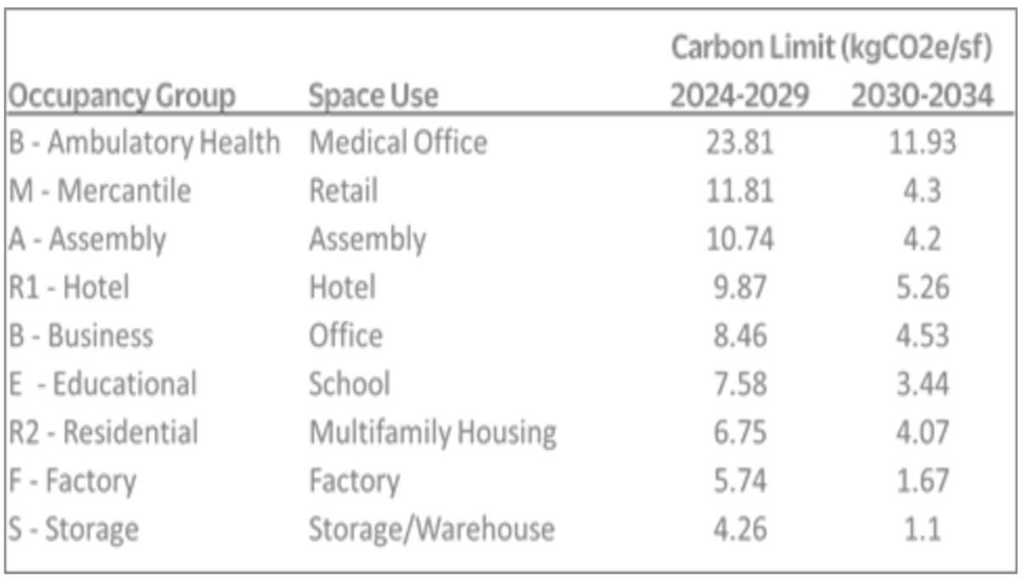
Other - Lodging/Residential | R-1 (Residential) | No Info Provided | OK
Distribution Center | S (Storage)
Non-Refrigerated Warehouse | S (Storage)
Refrigerated Warehouse | S (Storage)
Manufacturing/Industrial Plant | F (Factory/Industrial)
Multifamily Housing | R-2 (Residential)
Hospital (General Medical & Surgical)* | I-2 (Institutional)
Other | A (Assembly) | No Info Provided | OK
Other - Education | A (Assembly) | No Info Provided | OK
Museum | A (Assembly)
Other - Entertainment/Public Assembly | A (Assembly) | No Info Provided | OK
Retail Store | M (Mercantile)
College/University | E (Educational) | B - Education above grade 12 or A - Assembly (for lecture halls)
Food Service | F (Factory/Industrial)
Residence Hall/Dormitory | R-1 (Residential)
Laboratory | I-2 (Institutional) | B - non production laboratory or F or H, depending on level of hazmats | I-2 is fine? Could be any number of classifications
Medical Office | B (Business)
Urgent Care/Clinic/Other Outpatient | B (Healthcare) | B - (Clinic) or Group B - ambulatory health care | OK
Ambulatory Surgical Center | B (Healthcare)
Other - Specialty Hospital | I-2 (Institutional) | No Info Provided | OK
Other - Mall | B (Business) | No Info Provided | OK
Senior Care Community | I-1 (Institutional)
Pre-school/Daycare | E (Educational)
Social/Meeting Hall | A (Assembly)
Performing Arts | A (Assembly)
Parking | U (Utility/Misc)
Adult Education | E (Educational) | B - Education above grade 12 or A - Assembly (for lecture halls)
Self-Storage Facility | U (Utility/Misc)
Financial Office | B (Business)
Strip Mall | M (Mercantile)
Prison/Incarceration | I-3 (Institutional)
Fitness Center/Health Club/Gym | B (Business) | A (when more than 75 persons) otherwise Group B
Bank Branch | B (Business)
Wholesale Club/Supercenter | M (Mercantile)
Data Center | B (Business)
Other - Services | U (Utility/Misc)
Outpatient Rehabilitation/Physical Therapy | B (Business) | Does B (clinic) fall under Business or Healthcare?
Library | E-Education | No Info Provided (City-Owned / Public?) | E-Education | *Library only mentioned in E-Education and B-Business
Other - Recreation | A (Assembly) | No Info Provided (City-Owned / Public?) | OK
Supermarket/Grocery Store | M (Mercantile)
Convenience Store without Gas Station | M (Mercantile)
Residential Care Facility | I-1 (Institutional)
Movie Theater | A (Assembly)
Enclosed Mall | A (Assembly)
Automobile Dealership | B (Business)
Mailing Center/Post Office | B (Business) | No Info Provided (City-Owned / Public?) | OK
Personal Services (Health/Beauty, Dry Cleaning, etc) | B (Business)
Courthouse | A (Assembly) | No Info Provided (City-Owned / Public?) | OK
Other - Technology/Science | B (Business) | No Info Provided | OK
Other - Public Services | B (Business) | No Info Provided | OK
Repair Services (Vehicle, Shoe, Locksmith, etc) | B (Business) | No Info Provided | OK
Fire Station | B (Business) | No Info Provided (City-Owned / Public?) | OK
Police Station | B (Business) | No Info Provided (City-Owned / Public?) | OK
Wastewater Treatment Plant | F (Factory/Industrial) | No Info Provided (City-Owned / Public?) | OK
Veterinary Office | B (Business)
Ice/Curling Rink | A (Assembly)
Zoo | A (Assembly)
Transportation Terminal/Station | A (Assembly) | No Info Provided (City-Owned / Public?) | OK
Stadium (Open) | A (Assembly)
Restaurant | A (Assembly) | Group A (when serving more than 75 persons), otherwise Group B
Vocational School | E (Educational)
Other - Restaurant/Bar | B (Business) | Group A (when serving more than 75 persons), otherwise Group B
Fast Food Restaurant | A (Assembly) | A (when more than 75 persons) otherwise Group B
Swimming Pool | A (Assembly)
Bar/Nightclub | A (Assembly) | A (when more than 75 persons) otherwise Group B
Food Sales | M (Mercantile)
Other - Utility | U (Utility/Misc) | No Info Provided (City-Owned / Public?) | OK
Bowling Alley | A (Assembly)
Single Family Home | A (Assembly) | Unlikely to Exist for LL97 | (r-3)?doesnt matter

